Initial
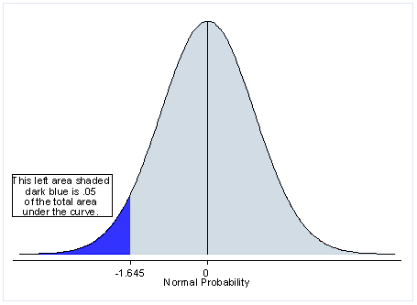
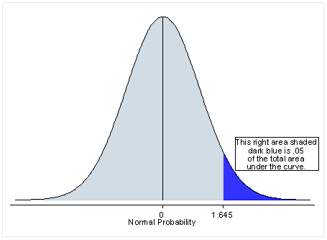

T.DIST | Left | 0.050037287724 | 0.94996271228

T.DIST.2T | Two tailed

T.DIST.RT | Right

T.INV | Left

T.INV.2T | Two tailed

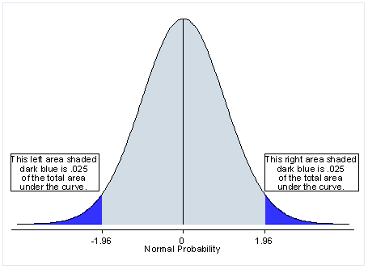
NORM.DIST | Left

NORM.INV | Left

NORM.S.DIST | Left

NORM.S.INV | Left

2-Tailed probability

Inverse 2 Tailed probability

